zadanie_6_7_8
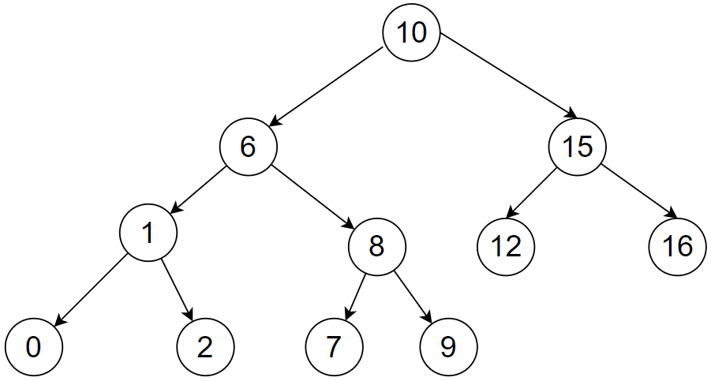

inorder: | 0 | 1 | 2 | 6 | 10

preorder:

postorder:

